Sheet1
Charlabels | Character Pattern | Unseen States
[1] 'Large dermal plates' | Neomorphic | NO
[2] 'Skull shape' | Transformational | YES
[3] 'Premaxilla' | Neomorphic | NO
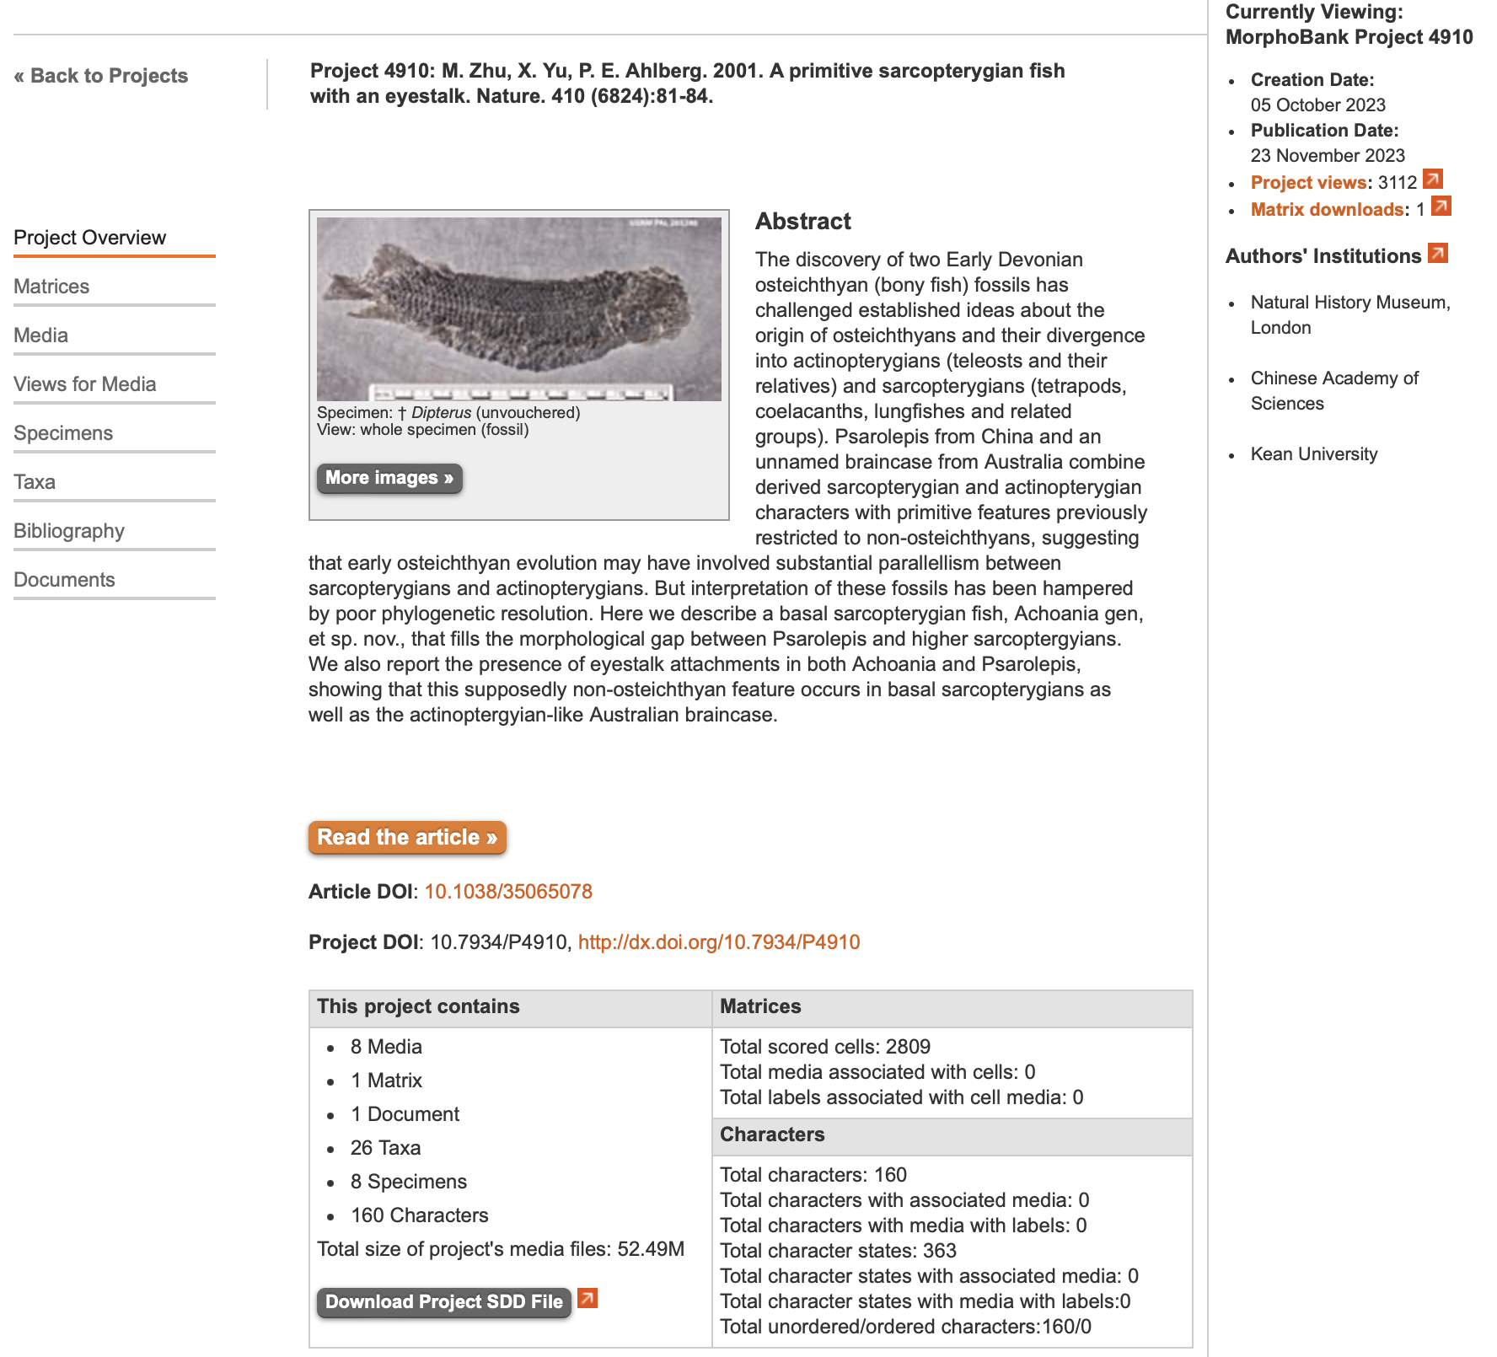
[4] 'Premaxilla forming part of orbit' | Neomorphic | NO
[5] 'Posterodorsal process on posterior portion of premaxilla' | Neomorphic | NO
[6] 'Postrostral' | Transformational | YES
[7] 'Paired frontals' | Neomorphic | NO
[8] 'C-bone' | Neomorphic | NO
[9] 'Tectal' | Neomorphic | NO
[10] 'Number of tectals' | Transformational | NO
[11] 'Supraorbital' | Neomorphic | NO
[12] 'Number of supraorbital' | Transformational | NO
[13] 'B-bone' | Neomorphic | NO
[14] 'Anterior margin of parietal' | Transformational | NO
[15] 'Pineal opening' | Neomorphic | NO
[16] 'Parietal-supraorbital contact' | Neomorphic | NO
[17] 'Extratemporal' | Neomorphic | NO
[18] 'Intertemporal' | Neomorphic | NO
[19] 'Number of marginal bones alongside postparietal' | Transformational | NO
[20] 'Dermal joint between parietal and postparietal' | Neomorphic | NO
[21] 'Number of extrascapulars' | Transformational | YES
[22] 'Median extrascapulars overlap' | Transformational | NO
[23] 'Position of anterior nostril' | Transformational | YES
[24] 'Processus dermintermedius' | Neomorphic | NO
[25] 'Posterior nostril' | Neomorphic | NO
[26] 'Position of posterior nostril' | Transformational | YES
[27] 'Posterior nostril - 2' | Transformational | NO
[28] 'Lacrimal posteriorly enclosing posterior nostril' | Neomorphic | NO
[29] 'Number of sclerotic plates' | Transformational | NO
[30] 'Ethmoid commissure' | Neomorphic | NO
[31] 'Course of ethmoid commissure' | Transformational | YES
[32] 'Course of supraorbital canal' | Transformational | YES
[33] 'Course of supraorbital canal - 2' | Transformational | YES
[34] 'Contact os supraorbital and infraorbital canals' | Transformational | NO
[35] 'Relationship of infraorbital canal to premaxilla' | Transformational | YES
[36] 'Posterior end of supraorbital canal' | Transformational | YES
[37] 'Contact of otic and supraorbital canals' | Transformational | NO
[38] 'Position of anterior pit line' | Transformational | YES
[39] 'Middle and posterior pit-lines on postparietal' | Transformational | YES
[40] 'Course of infraorbital canal in relation anterior portion of postparietal' | Transformational | YES
[41] 'Maxilla' | Neomorphic | NO
[42] 'Posterior expansion of maxilla' | Neomorphic | NO
[43] 'Posteriorly deep maxilla' | Neomorphic | NO
[44] 'Preopercular extending forward, close to orbit' | Neomorphic | NO
[45] 'Dermohyal' | Neomorphic | NO
[46] 'Squamosal, quadratojugal and preopercular bones' | Transformational | NO
[47] 'Squamosal' | Neomorphic | NO
[48] 'Subsquamosals' | Neomorphic | NO
[49] 'Quadratojugal' | NT?;0=0-;1=11;2=12
[50] 'Preopercular-maxillary contact' | Neomorphic | NO
[51] 'Jugal-quadratojugal contact' | Neomorphic | NO
[52] 'Preoperculosubmandibular' | Neomorphic | NO
[53] 'Foramina on dermal cheek bones' | Neomorphic | NO
[54] 'Vertical bare-like preopercular' | Neomorphic | NO
[55] 'Anterior portion of preopercular canal' | Neomorphic | NO
[56] 'Jugal canal' | Neomorphic | NO
[57] 'Dentary' | Neomorphic | NO
[58] 'Relative length of dentary' | Transformational | NO
[59] 'Marginal teeth on dentary' | Neomorphic | NO
[60] 'Teeth of dentary' | Transformational | NO
[61] 'Parasymphysial tooth whorl' | Neomorphic | NO
[62] 'Axis of parasymphysial tooth whorl' | Transformational | YES
[63] 'Meckelian bone exposed immediately anterior to first coronoid' | Neomorphic | NO
[64] 'Splenial' | Neomorphic | NO
[65] 'Postplenial' | Neomorphic | NO
[66] 'Surangular' | Neomorphic | NO
[67] 'Raised crest on angular' | Neomorphic | NO
[68] 'Coronoids (sensu stricto, excluding parasymphysial dental plate or anterior coronoid)' | Neomorphic | NO
[69] 'Tusks of coronoids (sensu stricto)' | Neomorphic | NO
[70] 'Dentition on coronoid' | Transformational | YES
[71] 'Anterior end of prearticular' | Transformational | NO
[72] 'Prearticular - dentary contact' | Neomorphic | NO
[73] 'Teeth radial rows on prearticular' | Neomorphic | NO
[74] 'Anterior mandibular (precoronoid) fossa' | Neomorphic | NO
[75] 'Labial pit' | Neomorphic | NO
[76] 'Foramina on external surface of lower jaw' | Neomorphic | NO
[77] 'Middle pit line of lower jaw' | Transformational | NO
[78] 'Anterior pit line of lower jaw' | Transformational | NO
[79] 'Course of mandibular canal' | Transformational | NO
[80] 'Course of mandibular canal - 2' | Transformational | NO
[81] 'Branchiostegal rays' | Neomorphic | NO
[82] 'Number of branchiostegal rays per side' | Transformational | YES
[83] 'Submandibulars' | Neomorphic | NO
[84] 'Width of submandibulars' | Transformational | NO
[85] 'Median gular' | Neomorphic | NO
[86] 'Size of lateral gular' | Transformational | YES
[87] 'Palatal opening surrounded by premaxilla, maxilla, dermopalatine, and vomer' | Neomorphic | NO
[88] 'Posterior process of vomer' | Neomorphic | NO
[89] 'Articulation of vomers' | Neomorphic | NO
[90] 'Vomerine tusks' | Neomorphic | NO
[91] 'Articulation of pterygoids' | Neomorphic | NO
[92] 'Position of parasphenoid' | Transformational | YES
[93] 'Parasphenoid' | Transformational | YES
[94] 'Denticulated field of parasphenoid' | Transformational | NO
[95] 'Dental plate' | Transformational | YES
[96] 'Form of head of hyomandibular' | Transformational | YES
[97] 'Posterior margin of palatoquadrate' | Transformational | NO
[98] 'Dorsal endoskeletal articulation between otico-occipital and ethmosphenoid blocks of braincase' | Neomorphic | NO
[99] 'Ventral endoskeletal articulation between otico-occipital and ethmosphenoid blocks ofbraincase' | Neomorphic | NO
[100] 'Orientation of intracranial joint or fissure' | Transformational | NO
[101] 'Position of intracranial joint or fissure relative to cranial nerves' | Transformational | YES
[102] 'Processus descendents of sphenoid or otico-sphenoid bridge' | Neomorphic | NO
[103] 'Autopalatine articulates with postnasal wall' | Neomorphic | NO
[104] 'Anterior palatal fenestra (fossa apicalis)' | Neomorphic | NO
[105] 'Paired internasal cavity' | Neomorphic | NO
[106] 'Vomeral area with grooves and raised areas' | Neomorphic | NO
[107] 'Fenestra ventralis' | N;0=0;1=1;2=?
[108] 'Large median opening and several small dorsolateral openings in postnasal wall' | Neomorphic | NO
[109] 'Eye stalk or unfinished area for similar structure' | Neomorphic | NO
[110] 'Postorbital process on braincase' | Neomorphic | NO
[111] 'Basipterygoid articulation' | Neomorphic | NO
[112] 'Basipterygoid (postorbital) pilla' | Neomorphic | NO
[113] 'Position of exit of pituitary vein' | Transformational | YES
[114] 'Basicranial fenestra with arcual plates' | Neomorphic | NO
[115] 'Unconstricted cranial notochord' | Neomorphic | NO
[116] 'Supraotic cavity' | Neomorphic | NO
[117] 'Posttemporal fossae' | Neomorphic | NO
[118] 'Anocleithrum' | Transformational | YES
[119] 'Presupracleithrum' | Neomorphic | NO
[120] 'Dorsal cleithrum (AL of the Placodermi), ventral cleithrum (AVL of the Placodermi)and pectoral spine (SP of the Placodermi):' | Neomorphic | NO
[121] 'Cleithrum' | Neomorphic | NO
[122] 'Dorsal and end of cleithrum' | Transformational | YES
[123] 'Paired pectoral spines' | Neomorphic | NO
[124] 'Clavicle (IL of the Placodermi)' | Neomorphic | NO
[125] 'Relationship of clavicle to cleithrum' | Transformational | YES
[126] 'Interclavicle' | Neomorphic | NO
[127] 'Triradiate scapulocoracoid' | Neomorphic | NO
[128] 'Subscapular foramen' | Neomorphic | NO
[129] 'Endoskeletal supports in pectoral fin' | Transformational | NO
[130] 'Pectoral propterygium' | Neomorphic | NO
[131] 'Deltoid and supinator processes' | Neomorphic | NO
[132] 'Axis of pectoral fin skeleton' | Transformational | YES
[133] 'Pectoral fin radials' | Neomorphic | NO
[134] 'Pectoral fin radials - 2' | Transformational | YES
[135] 'Dorsal fin' | Transformational | YES
[136] 'Dorsal and anal fins' | Neomorphic | NO
[137] 'Basal scutes on fins' | Neomorphic | NO
[138] 'Basal fulcra' | Neomorphic | NO
[139] 'Median fin spines' | Neomorphic | NO
[140] 'Epichordal Lepidotrichia in tail' | Neomorphic | NO
[141] 'Relative size of epichordal and hypochordal lepidotrichia' | Transformational | NO
[142] 'Supraneural spines' | Transformational | YES
[143] 'Well-ossified ribs' | Neomorphic | NO
[144] 'Scales' | Transformational | YES
[145] 'Peg on rhombic scale' | Transformational | NO
[146] 'Anterodorsal peg-like process on scale' | Neomorphic | NO
[147] 'Endochondral bone' | Neomorphic | NO
[148] 'Cosmine' | Neomorphic | NO
[149] 'Cosmine with large pore ornamentation' | Neomorphic | NO
[150] 'Enamel lining of pore canals' | Neomorphic | NO
[151] 'Westoll-lines' | Neomorphic | NO
[152] 'Pore clusters' | Neomorphic | NO
[153] 'Rostral tubuli' | Neomorphic | NO
[154] 'Acrodin' | Neomorphic | NO
[155] 'Ganoine' | Neomorphic | NO
[156] 'True enamel on teeth' | Neomorphic | NO
[157] 'Plicidentine' | Transformational | YES
[158] 'Syndentine' | Neomorphic | NO
[159] 'FA' | Transformational | YES
[160] 'LA' | Transformational | YES

